Rute VLSM
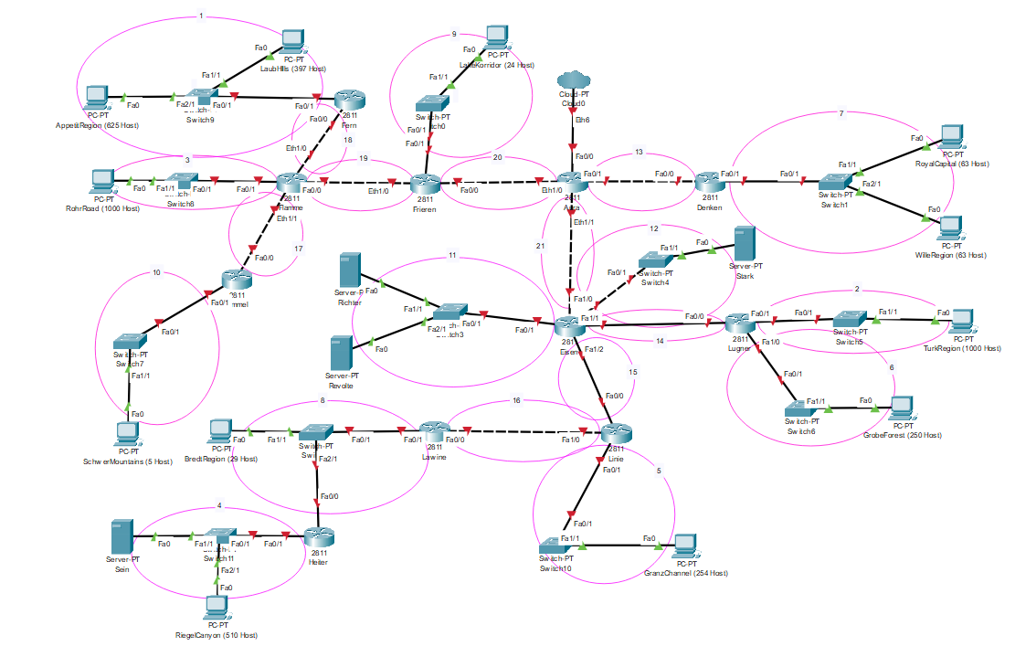
Nama Subnet | Rute | Jumlah IP | Netmask
A1 | Fern-Switch9-LaubHills-Switch9-AppetitRegion | 1023 | /21
A2 | Lugner-Switch5-TurkRegion | 1001 | /22
A3 | Flamme-Switch8-RohrRoad | 1001 | /22
A4 | Heiter-Switch11-Sein-Switch11-Riegelcanyon | 512 | /22
A5 | Linie-Switch10-GranzChannel | 255 | /23
A6 | Lugner-Switch6-GrobeForest | 251 | /24
A7 | Denken-Switch1-RoyalCapital-Switch1-WilleRegion | 127 | /24
A8 | Lawine-Switch2-BredtRegion | 31 | /26
A9 | Frieren-Switch0-LakeKorridor | 25 | /27
A10 | Himmel-Switch7-SchwerMountain | 6 | /29
A11 | Eisen-Switch3-Richter-Switch3-Revolte | 3 | /29
A12 | Eisen-Switch4-Stark | 2 | /30
A13 | Aura-Denken | 2 | /30
A14 | Eisen-Lugner | 2 | /30
A15 | Eisen-Linie | 2 | /30
A16 | Lawine-Linie | 2 | /30
A17 | Himmel-Flamme | 2 | /30
A18 | Flamme-Fern | 2 | /30
A19 | Flamme-Frieren | 2 | /30
A20 | Frieren-Aura | 2 | /30
A21 | Aura-Eisen | 2 | /30
Total |  | 4255 | /19

Rute CIDR
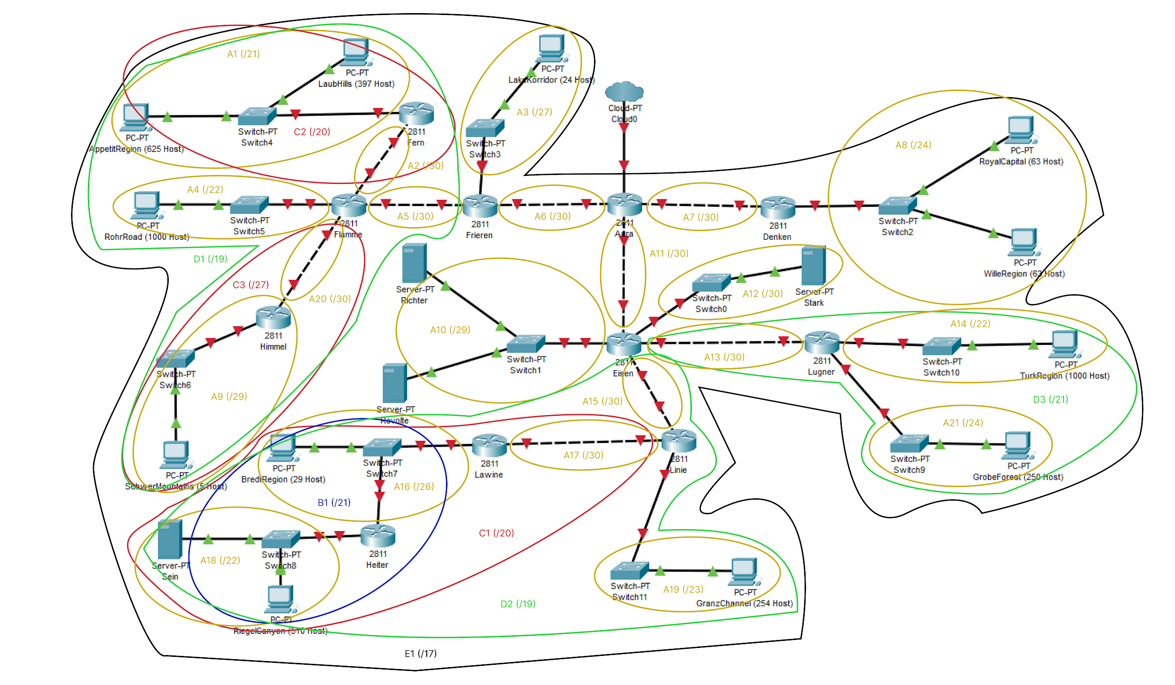
Nama Subnet | Rute | Jumlah IP | Netmask
A1 | Aura-Frieren-Flamme-Fern-Switch4-LaubHills/AppetitRegion | 1023 | /21
A2 | Aura-Frieren-Flamme-Fern | 2 | /30
A3 | Aura-Frieren-Switch3-LakeKorridor | 25 | /27
A4 | Aura-Frieren-Flamme-Switch5-RohrRoad | 1001 | /22
A5 | Aura-Frieren-Flamme | 2 | /30
A6 | Aura-Frieren | 2 | /30
A7 | Aura-Denken | 2 | /30
A8 | Aura-Denken-Switch2-RoyalCapital/WilleRegion | 127 | /24
A9 | Aura-Frieren-Flamme-Himmel-Switch6-SchwerMountains | 6 | /29
A10 | Aura-Eisen-Switch1-Richter/Revolte | 3 | /29
A11 | Aura-Eisen | 2 | /30
A12 | Aura-Eisen-Switch0-Stark | 2 | /30
A13 | Aura-Eisen-Lugner | 2 | /30
A14 | Aura-Eisen-Lugner-Switch10-TurkRegion | 1001 | /22
A15 | Aura-Eisen-Linie | 2 | /30
A16 | Aura-Eisen-Linie-Lawine-Switch7-BredtRegion | 32 | /26
A17 | Aura-Eisen-Linie-Lawine | 2 | /30
A18 | Aura-Eisen-Linie-Lawine-Switch7-Heiter-Switch8-Sein/RiegelCanyon | 512 | /22
A19 | Aura-Eisen-Linie-Switch11-GranzChannel | 255 | /23
A20 | Aura-Frieren-Flamme-Himmel | 2 | /30
A21 | Aura-Eisen-Lugner-Switch9-GrobeForest | 250 | /24
Total |  | 4255 | /19

